TOTAL
Alkalmazott szűrők: Highlighted nem egyezik ezzel: (Üres) Arrival_date ekkori vagy későbbi a következőnél: 2026.01.12. 0:00:00 és dátuma korábbi, mint 2026.01.19. 0:00:00 Mandatory egyezik ezzel: Yes LSP egyezik ezzel: Maersk Canceled_shipment egyezik ezzel: N

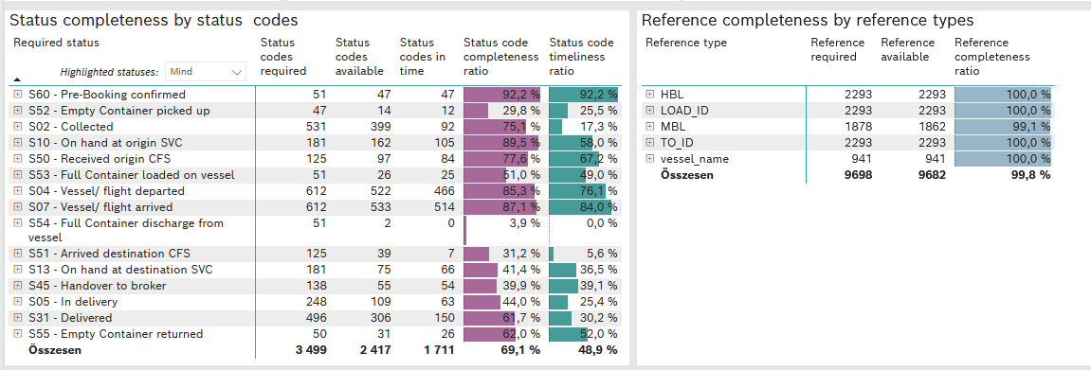
Required status | STATUS_TYPE | Service_Provider | Status codes required | Status codes available | Status codes in time | Status code completeness ratio | Status code timeliness ratio
S60 - Pre-Booking confirmed | Actual | 0000056066 - Maersk | 51 | 47 | 47 | 92.2 % | 92.2 %
S52 - Empty Container picked up | Actual | 0000056066 - Maersk | 47 | 14 | 12 | 29.8 % | 25.5 %
S02 - Collected | Actual | 0000056066 - Maersk | 289 | 211 | 92 | 73.0 % | 31.8 %
S02 - Collected | Estimated | 0000056066 - Maersk | 242 | 188 | 0 | 77.7 % | 0.0 %
S10 - On hand at origin SVC | Actual | 0000056066 - Maersk | 181 | 162 | 105 | 89.5 % | 58.0 %
S50 - Received origin CFS | Actual | 0000056066 - Maersk | 125 | 97 | 84 | 77.6 % | 67.2 %
S53 - Full Container loaded on vessel | Actual | 0000056066 - Maersk | 51 | 26 | 25 | 51.0 % | 49.0 %
S04 - Vessel/ flight departed | Actual | 0000056066 - Maersk | 306 | 258 | 250 | 84.3 % | 81.7 %
S04 - Vessel/ flight departed | Estimated | 0000056066 - Maersk | 306 | 264 | 216 | 86.3 % | 70.6 %
S07 - Vessel/ flight arrived | Actual | 0000056066 - Maersk | 306 | 264 | 260 | 86.3 % | 85.0 %
S07 - Vessel/ flight arrived | Estimated | 0000056066 - Maersk | 306 | 269 | 254 | 87.9 % | 83.0 %
S54 - Full Container discharge from vessel | Actual | 0000056066 - Maersk | 51 | 2 | 0 | 3.9 % | 0.0 %
S51 - Arrived destination CFS | Actual | 0000056066 - Maersk | 125 | 39 | 7 | 31.2 % | 5.6 %
S13 - On hand at destination SVC | Actual | 0000056066 - Maersk | 181 | 75 | 66 | 41.4 % | 36.5 %
S45 - Handover to broker | Actual | 0000056066 - Maersk | 106 | 43 | 42 | 40.6 % | 39.6 %
S45 - Handover to broker | Estimated | 0000056066 - Maersk | 32 | 12 | 12 | 37.5 % | 37.5 %
S05 - In delivery | Actual | 0000056066 - Maersk | 248 | 109 | 63 | 44.0 % | 25.4 %
S31 - Delivered | Actual | 0000056066 - Maersk | 248 | 134 | 25 | 54.0 % | 10.1 %
S31 - Delivered | Estimated | 0000056066 - Maersk | 248 | 172 | 125 | 69.4 % | 50.4 %
S55 - Empty Container returned | Actual | 0000056066 - Maersk | 50 | 31 | 26 | 62.0 % | 52.0 %

